E54_hpwh
Nestle Cagayan de Oro Factory | Installation of additional check valve on pre-wetting line |  |  |  |  |  |  |  | CDOF-CP-F-XX-XXX
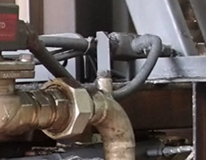

1
Pre-fab check valve assembly (with nipple & coupling)

Existing tie-in point (1/2 coupling)
2

Requirement | 1 | 2 | 3 | 4 | 5 | 6 | 7 | 8 | 9 | REMARKS
Make sure check valve assembly has passed QA line release before installation (Saturday June 29)
Possible leak points is the threaded connection. Make sure to provide adequate teflon and tightness.

NOTES:
Performed By: |  |  | Assessed and Validated By: |  |  |  |  | Noted By:

COSTPLUS Representative |  |  | TBMC Site Engineer |  |  |  |  | NPI Project Engineer

